Sheet1
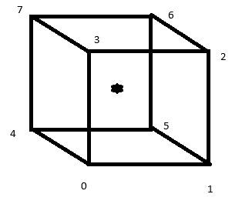
 |  |  |  |  | Conv 1 | The Origin is placed in the centre of mass of the object
 |  |  |  |  |  | Rotations and scales work around the origin, so this allows for more appropriate roatations and scales

 |  |  |  |  | Con 2 | All faces are described in the same direction usually counterclockwise
 |  |  |  |  |  | To enable back face culling

 |  |  |  |  |  | Vertex List
 |  |  |  |  |  | x | y | z
 |  |  |  |  | 0 | -1 | -1 | -1
 |  |  |  |  | 1 | 1 | -1 | -1
 |  |  |  |  | 2 | 1 | 1 | -1
 |  |  |  |  | 3 | -1 | 1 | -1
 |  |  |  |  | 4 | -1 | -1 | 1
 |  |  |  |  | 5 | 1 | -1 | 1
 |  |  |  |  | 6 | 1 | 1 | 1
 |  |  |  |  | 7 | -1 | 1 | 1
Index (Face) list |  |  |  | Texture Index (face) list |  |  |  | Normals

Front | 0 | 1 | 2 | 2 | 3 | 7 |  | 0 | 0 | -1
 | 0 | 2 | 3 | 2 | 7 | 6 |  | 0 | 0 | -1
Back | 4 | 7 | 6 | 2 | 6 | 5 |  | 0 | 0 | 1
 | 4 | 6 | 5 | 2 | 5 | 1 |  | 0 | 0 | 1
Left | 0 | 3 | 7 | 7 | 11 | 10 |  | -1 | 0 | 0
 | 0 | 7 | 4 | 7 | 10 | 6 |  | -1 | 0 | 0
Right | 1 | 5 | 6 | 0 | 1 | 5 |  | 1 | 0 | 0
 | 1 | 6 | 2 | 0 | 5 | 4 |  | 1 | 0 | 0
Top | 2 | 6 | 7 | 5 | 9 | 8 |  | 0 | 1 | 0
 | 2 | 7 | 3 | 5 | 8 | 4 |  | 0 | 1 | 0
Bottom | 0 | 4 | 5 | 9 | 5 | 6 |  | 0 | -1 | 0
 | 0 | 5 | 1 | 9 | 6 | 10 |  | 0 | -1 | 0
9
10
11
8
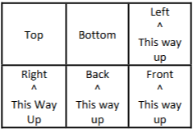
 |  |  |  | (1,1) |  | Texture Vertex List
 |  |  |  |  |  | u | v
 |  |  |  |  | 0 | 0 | 0
5
6
7
 |  |  |  |  | 1 | 0.3333 | 0
4
 |  |  |  |  | 2 | 0.6667 | 0
 |  |  |  |  | 3 | 1 | 0
 |  |  |  |  | 4 | 0 | 0.5
 |  |  |  |  | 5 | 0.3333 | 0.5
0
1
2
3
 |  |  |  |  | 6 | 0.6667 | 0.5
 |  |  |  |  | 7 | 1 | 0.5
(0,0) |  |  |  |  | 8 | 0 | 1
 |  |  |  |  | 9 | 0.3333 | 1
 |  |  |  |  | 10 | 0.6667 | 1
 |  |  |  |  | 11 | 1 | 1

